Core Joins
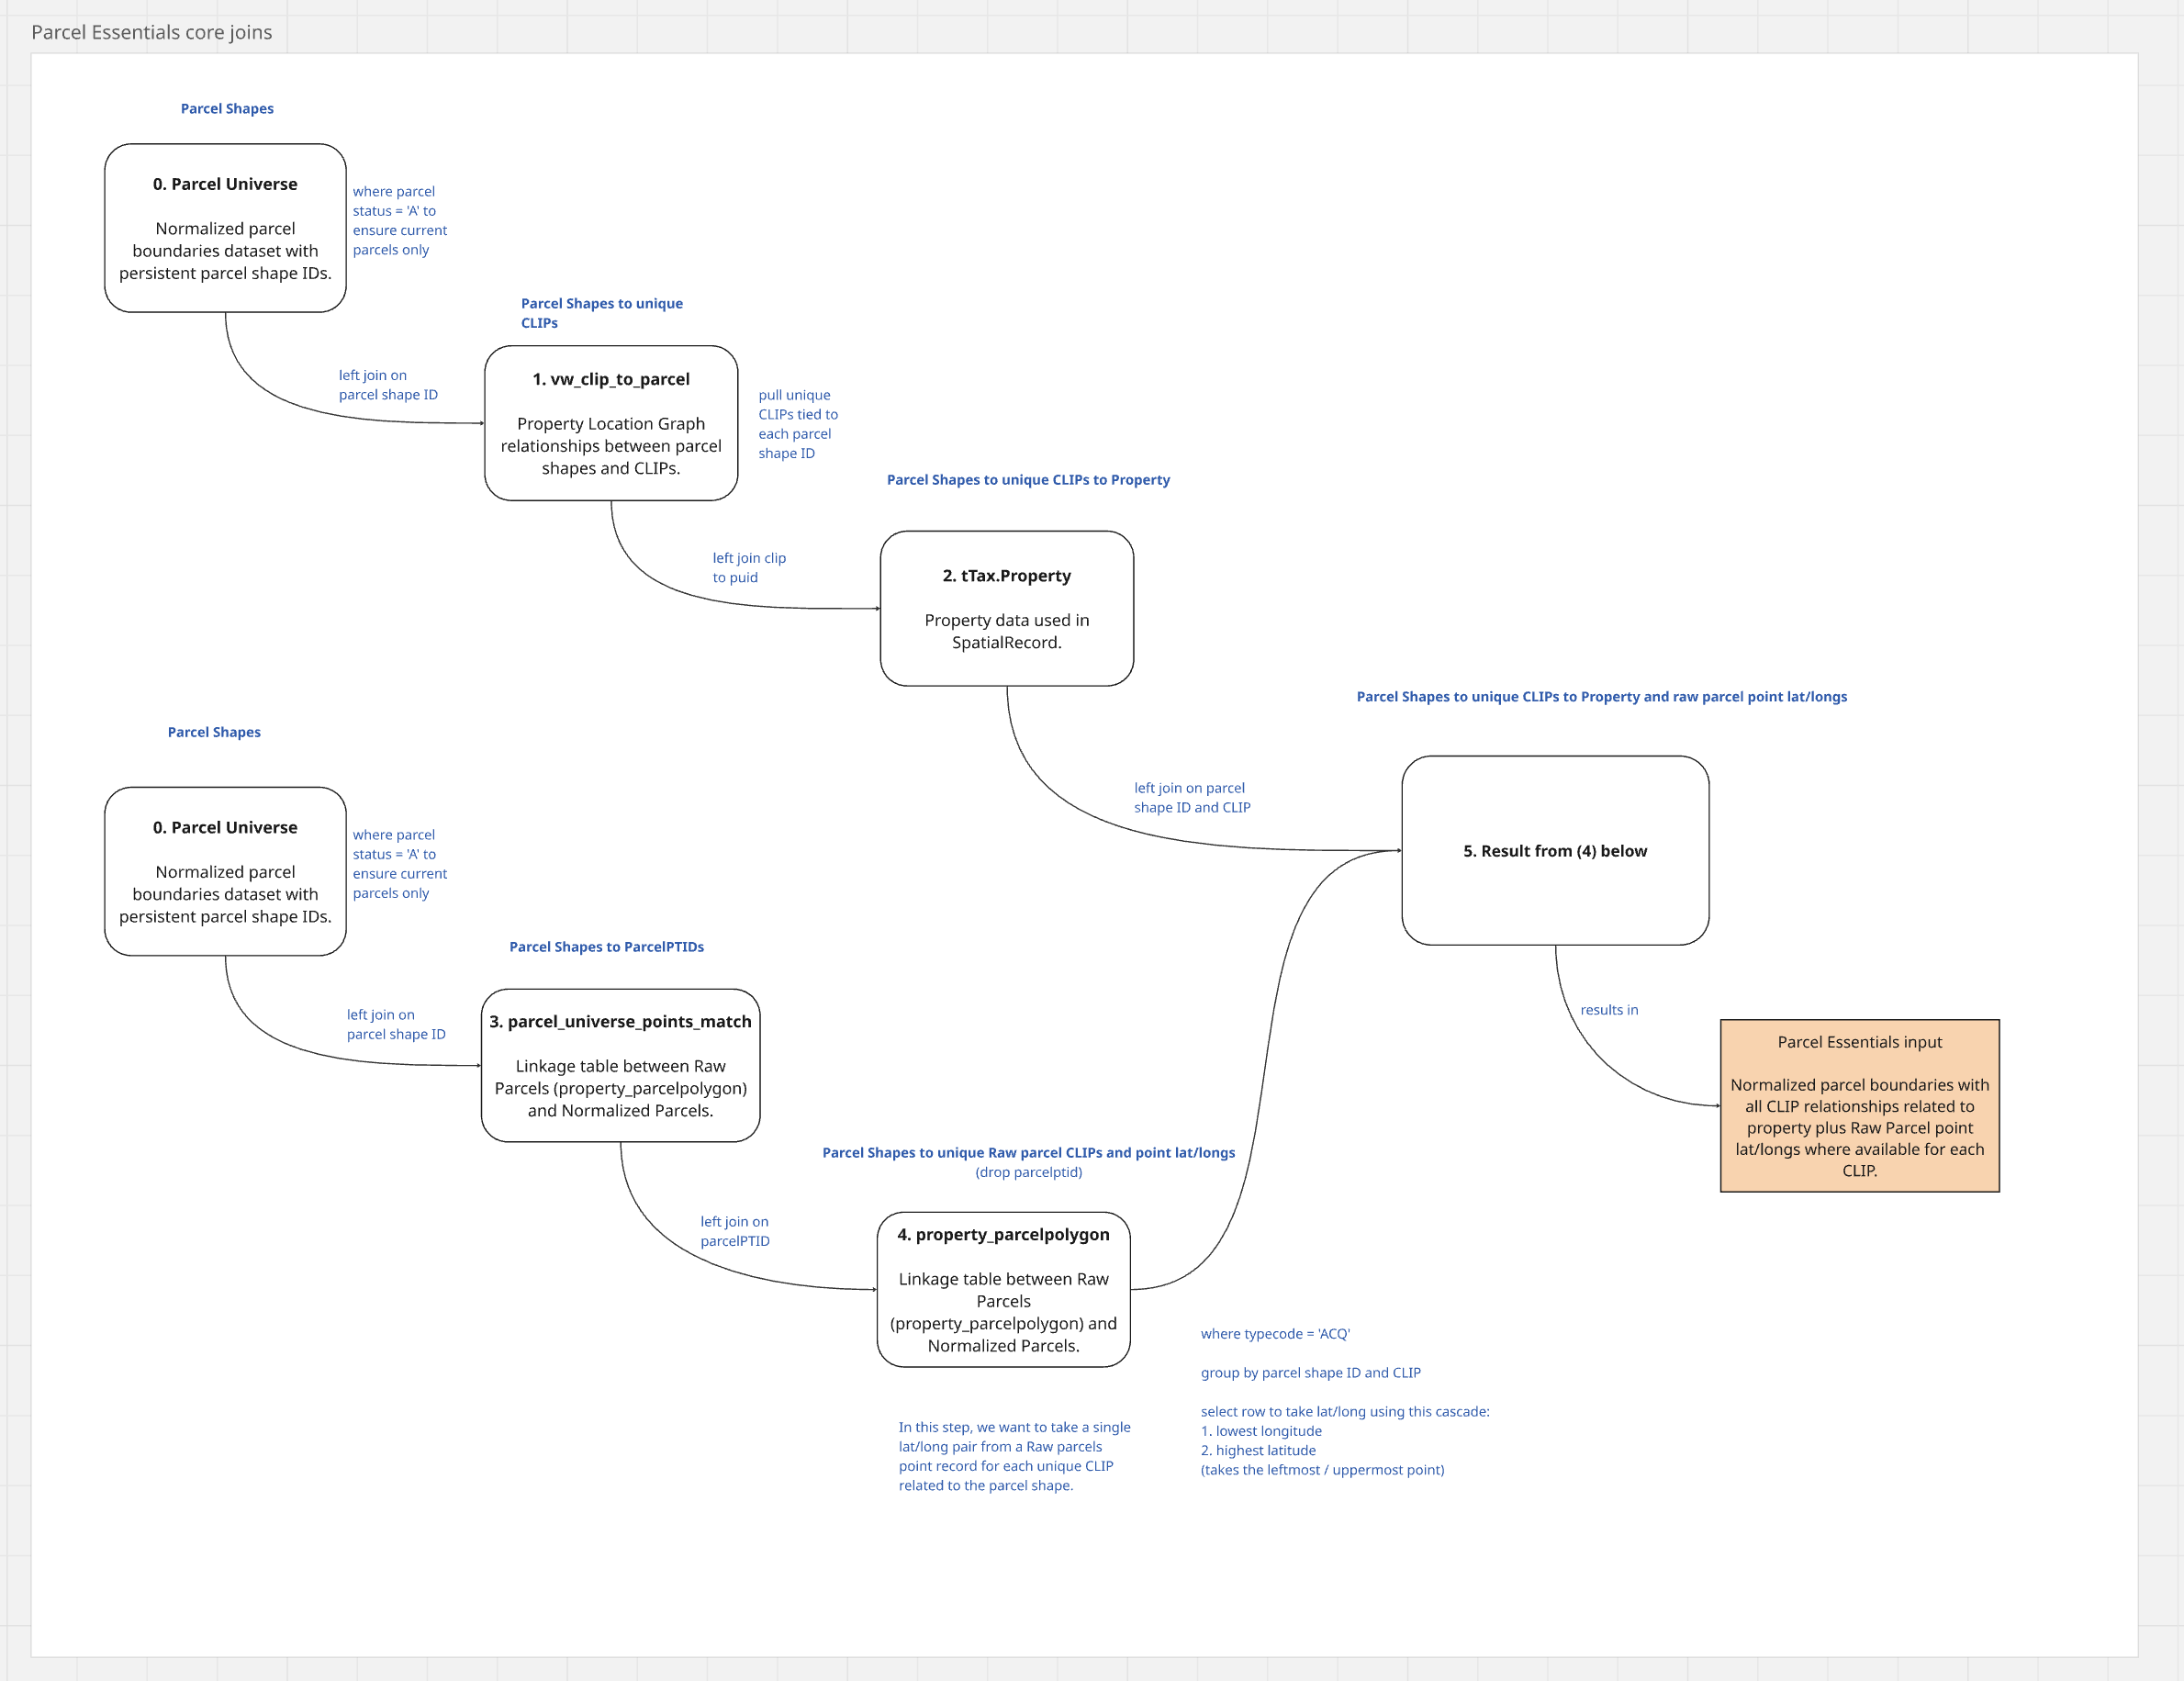

For the Core Joins, we are going from Parcel Universe parcel boundaries, to a cross-reference to pick up all CLIPs (1), then tying it to property (2), and finally for each CLIP, picking up the coresponding lat/long from the property_parcelpolygon point records related to that parcel boundary, where available (3 & 4 & 5).

